Outlook photo upload steps
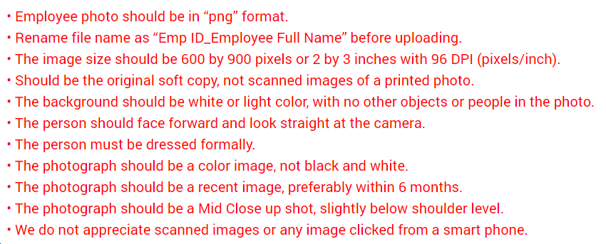
For uploading your photo in Outlook, > Open Outlook > Click on File which is located on the top left of the page. Once it further opens, you will see an image of a photo. Below the image, click on Change. The system will then ask you for your User ID and password before you finally upload your photo.

OR

If you are using a different Outlook version, you will need to click on the logo of your initial, located on the top right of the form to upload your photo.

Please ensure that the photo that you upload has been clicked against a white background.

Photograph upload guidelines to be used while uploading your photo on Outlook

